Seive Analyis
Gradation Curve
 | particle size distribution curve
4.75000 | 94.79686 | 10.00000 | 60.00000 | 1.12213 | 0.00000 | 10.00000 | 30.00000 | 0.17978 | 0.00000 | 10.00000 | 10.00000 | 0.00000 | 0.00000
2.00000 | 83.47345 | 1.12213 | 60.00000 | 1.12213 | 60.00000 | 0.17978 | 30.00000 | 0.17978 | 30.00000 | 0.00000 | 10.00000 | 0.00000 | 10.00000
0.42500 | 56.63918
0.30000 | 22.88013
0.14900 | 9.87128
0.07500 | 0.98552
 |  | Sieve Analysis test calculations & Particle Size Distribution Curve

 | Log Scale | Sieve Number | Diameter (mm) | Soil Retained (g) | Accumulative Retain (gm) | % Mass Retain | % Passing
 | 0.67669 | #4 | 4.75000 | 25.87000 | 25.87000 | 5.20314 | 94.79686
Inputs | 0.30103 | #10 | 2.00000 | 56.30000 | 82.17000 | 16.52655 | 83.47345
 | -0.37161 | #40 | 0.42500 | 133.42000 | 215.59000 | 43.36082 | 56.63918
 | -0.52288 | #50 | 0.30000 | 167.85000 | 383.44000 | 77.11987 | 22.88013
 | -0.82681 | #100 | 0.14900 | 64.68000 | 448.12000 | 90.12872 | 9.87128
 | -1.12494 | #200 | 0.07500 | 44.18000 | 492.30000 | 99.01448 | 0.98552
 |  | Pan | 0.00000 | 4.90000 | 497.20000 | 100.00000 | 0.00000
 |  |  |  | 497.20000

 |  | RESULTS
 |  | % gravel | 5.20314 | D60 (mm) | 0.515980053259481 | Cu = D60/D10 | 3.43906
 |  | % sand | 93.81134 | D30 (mm) | 0.3228672535896769 | Cc = D30^2/D10* D60 | 1.34655
 |  | % fines | 0.98552 | D10 (mm) | 0.150035373823387 |  |  | 10.00000 | 60.00000 | 0.51598 | 0.00000
 |  |  |  |  |  |  |  | 0.51598 | 60.00000 | 0.51598 | 60.00000

 |  |  |  |  |  |  |  | 10.00000 | 30.00000 | 0.32287 | 0.00000
 |  |  |  |  |  |  |  | 0.32287 | 30.00000 | 0.32287 | 30.00000

 |  |  |  |  |  |  |  | 10.00000 | 10.00000 | 0.15004 | 0.00000
 |  |  |  |  |  |  |  | 0.15004 | 10.00000 | 0.15004 | 10.00000

Seive + Hydro Data
Gradation Curve
 | Hydro Data |  |  |  | D60-H |  | D60-V |  | D30-H |  | D30-V |  | D10-H |  | D10-V
#REF! | 1 | 4.75000 | 98.03427 | 10.00000 | 60.00000 | 0.28133 | 0.00000 | 10.00000 | 30.00000 | 0.08277 | 0.00000 | 10.00000 | 10.00000 | 0.02146 | 0.00000
 |  | 2.00000 | 83.04234 | 0.28133 | 60.00000 | 0.28133 | 60.00000 | 0.08277 | 30.00000 | 0.08277 | 30.00000 | 0.02146 | 10.00000 | 0.02146 | 10.00000
 |  | 0.42500 | 68.24798
 |  | 0.30000 | 61.15323
 |  | 0.14900 | 48.59476
 |  | 0.07500 | 26.88105
 |  | 0.05760 | 23.70000
 |  | 0.04230 | 20.70000
 |  | 0.03130 | 17.10000
 |  | 0.02350 | 11.70000
 |  | 0.01760 | 6.30000
Particle Size (mm) | % Finer | Log Data
4.75000 | 98.03427 | 0.67669
2.00000 | 83.04234 | 0.30103
0.42500 | 68.24798 | -0.37161
0.30000 | 61.15323 | -0.52288
0.14900 | 48.59476 | -0.82681 |  | -0.61072
0.07500 | 26.88105 | -1.12494 |  | 0.24507
0.05760 | 23.70000 | -1.23958
0.04230 | 20.70000 | -1.37366
0.03130 | 17.10000 | -1.50446 |  | -0.74661
0.02350 | 11.70000 | -1.62893 |  | 0.17922
0.01760 | 6.30000 | -1.75449

 |  |  |  | -1.27684
 |  |  |  | 0.05286

 |  |  |  | -1.66846
 |  |  |  | 0.02146

RESULTS
% gravel | 0.17922 | D60 (mm) | 0.281326956249029 | Cu = D60/D10 | 13.11204
% sand | 99.82078 | D30 (mm) | 0.0827720786233388 | Cc = D30^2/D10* D60 | 0.00052
% fines | 0.00000 | D10 (mm) | 0.0214556278148092

 |  |  |  |  |  | 10.00000 | 60.00000 | 0.28133 | 0.00000
 |  |  |  |  |  | 0.28133 | 60.00000 | 0.28133 | 60.00000

 |  |  |  |  |  | 10.00000 | 30.00000 | 0.08277 | 0.00000
 |  |  |  |  |  | 0.08277 | 30.00000 | 0.08277 | 30.00000

 |  |  |  |  |  | 10.00000 | 10.00000 | 0.02146 | 0.00000
 |  |  |  |  |  | 0.02146 | 10.00000 | 0.02146 | 10.00000

Atterberg Limits
ATTERBERG LIMITS

LIQUID LIMIT
 |  |  |  |  |  |  | No. Of Blows | Log Scale | Moisture Content
Trial | 3 | 2 | 1 |  |  |  | 35 | 1.5440680444 | 20.481927711
W1 | 35 | 19 | 27 |  |  |  | 25 | 1.3979400087 | 21.107266436
W2 | 64 | 40 | 50 |  |  |  | 16 | 1.2041199827 | 23.456790123
W3 | 59.07 | 36.34 | 45.63
Moisture Content | 20.481927711 | 21.107266436 | 23.456790123
Flow Curve
Flow Curve
Flow Curve
 | Moisture Content
1.2041199827 | 23.456790123
1.3979400087 | 21.107266436
1.5440680444 | 20.481927711
Flow Curve
No. Of Blows | 35 | 25 | 16
Liquid Limit | 21.333019057 | 21.107266436 | 22.223699646 | 21.554661713
 |  |  |  | 21.540094693

PLASTIC LIMIT

Trial | 3 | 2 | 1
W1 | 19 | 21 | 15
W2 | 22 | 25 | 21
W3 | 21.57 | 24.39 | 20.08
Moisture Content | 16.73151751 | 17.994100295 | 18.11023622 | 17.611951342

Plasticity Index: | 3.9281433508
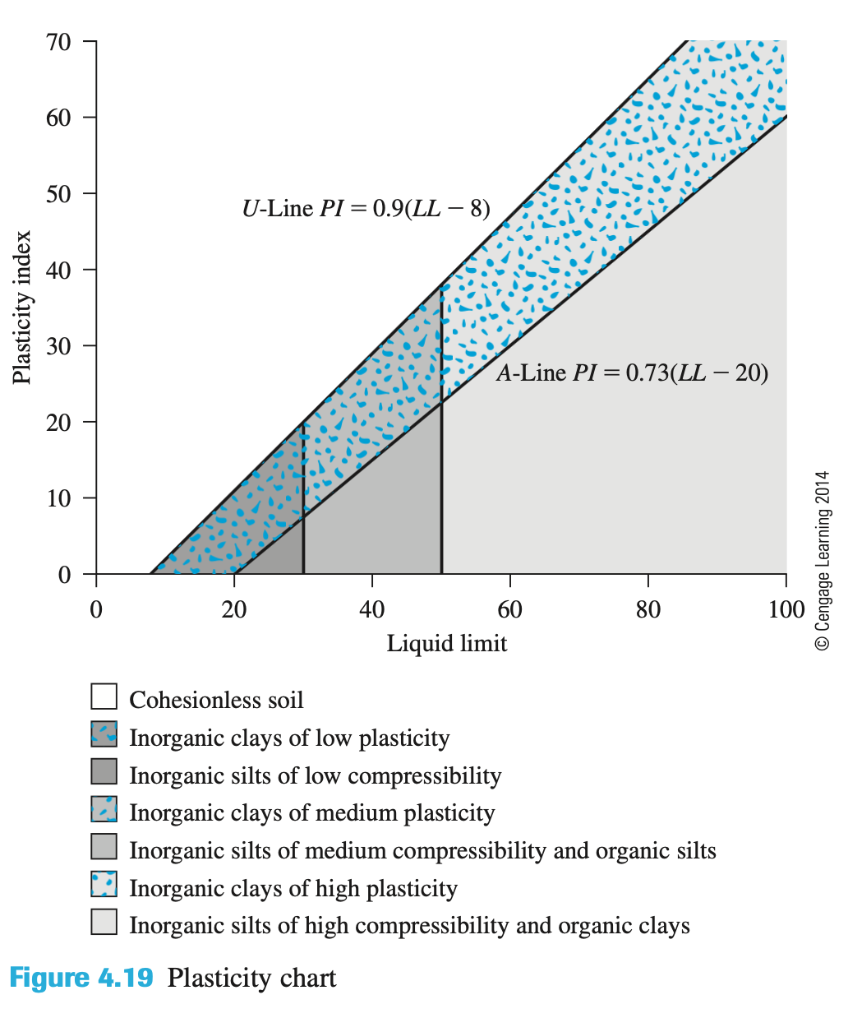

LL | A-Line | U-Line
0
8 |  | 0
20 | 0 | 10.8
30 | 7.3 | 19.8
40 | 14.6 | 28.8
50 | 21.9 | 37.8
60 | 29.2 | 46.8
70 | 36.5 | 55.8
80 | 43.8 | 64.8
Casagrande Plasticity Chart
 | A Line |  | U-Line
0 |  | 0 |  | 21.540094693 | 0
8 |  | 8 | 0 | 21.540094693 | 60
20 | 0 | 20 | 10.8
30 | 7.3 | 30 | 19.8
40 | 14.6 | 40 | 28.8
50 | 21.9 | 50 | 37.8
60 | 29.2 | 60 | 46.8
70 | 36.5 | 70 | 55.8
80 | 43.8 | 80 | 64.8
90 | 51.1 | 90 | 73.8
100 | 58.4 | 100 | 82.8
Casagrande Plasticity Chart
 | A Line |  | U-Line
0 |  | 0 |  | 21.540094693 | 0
8 |  | 8 | 0 | 21.540094693 | 60
20 | 0 | 20 | 10.8
30 | 7.3 | 30 | 19.8
40 | 14.6 | 40 | 28.8
50 | 21.9 | 50 | 37.8
60 | 29.2 | 60 | 46.8
70 | 36.5 | 70 | 55.8
80 | 43.8 | 80 | 64.8
90 | 51.1 | 90 | 73.8
100 | 58.4 | 100 | 82.8
90 | 51.1 | 73.8
100 | 58.4 | 82.8

 |  |  |  |  | 21.540094693 | 0
 |  |  |  |  | 21.540094693 | 60

